6
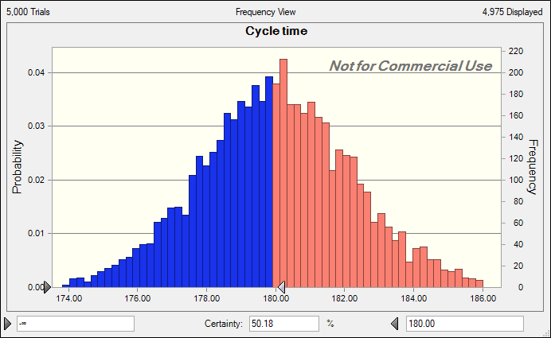
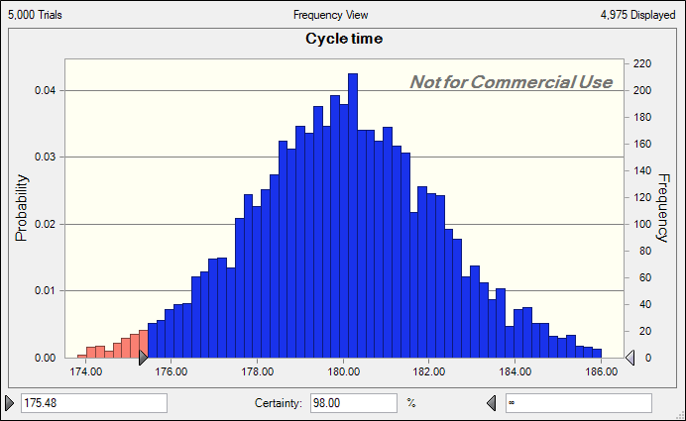
Operation | Time | Mean | Standard Deviation
1 | 181 | 180 | 5
2 | 181 | 180 | 5
3 | 181 | 180 | 5
4 | 181 | 180 | 5
5 | 181 | 180 | 5

Cycle time | 181
a)When the average cycle time is 180s the probability that all the operations are completed within this time range is 50.18% |  |  |  | b) The minimum cycle time for which the operations can be ensured to be finish with 98% certainity is 175.48s

7 a
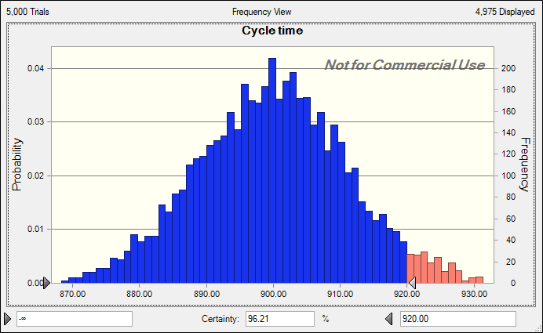
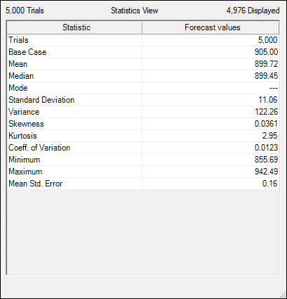
Operation | Time | Mean | Standard Deviation
1 | 181 | 180 | 5
2 | 181 | 180 | 5
3 | 181 | 180 | 5
4 | 181 | 180 | 5
5 | 181 | 180 | 5

Total time | 905

a) The probability that the Total time is less than 920 s is 96.21% and standard deviation is 11.06 and the mean is 899.72

9
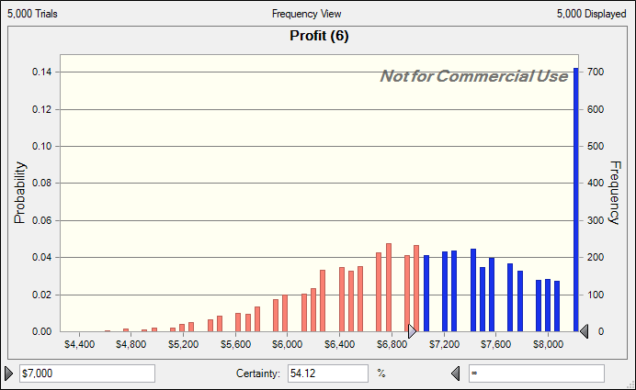
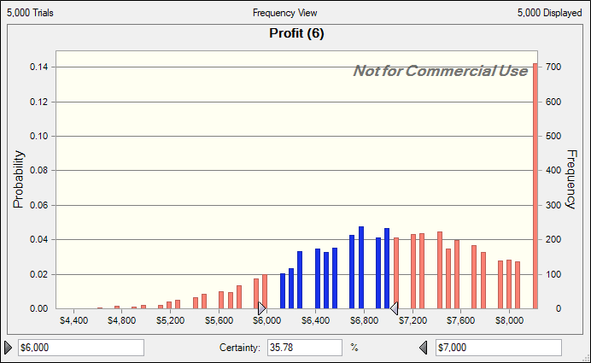
 | Number of jet ski ordered | 120
 | Demand for jet ski | 80 | Average rate of demand | 80
 | Unit Cost | $54
 | Unit Sales revenue | $145
 | Unit surplus revenue | $45

 | Units Sold | 80
 | Units Left Over | 40

 | Profit | $6,920

a) For the runned simulation we can see that the maximum profit is obtained when she orders 90 jet skis so the store owner must order 90 jet skis to maximize her profit |  |  |  |  | b) If my suggestion is followed the best possible condition is that she gets an profit of $8,190 and the worst possible condition is that she gets an loss of $4,290

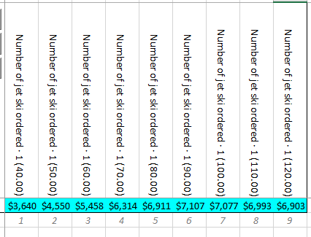
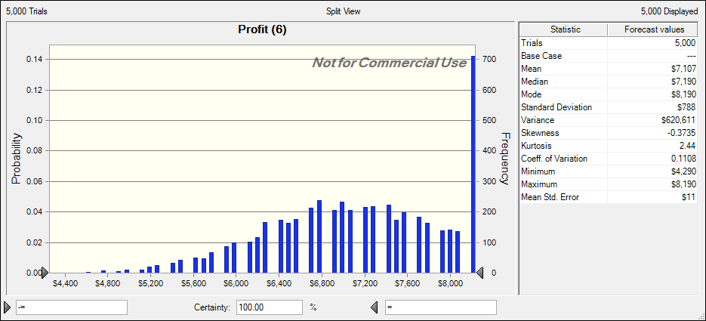

c) If she follows my suggestion the probabiltiyo 0f getting profit more than $7000 is 54.12% |  |  |  |  |  | d) The probability of getting profit between $6000 and $7000 is 35.78%

13
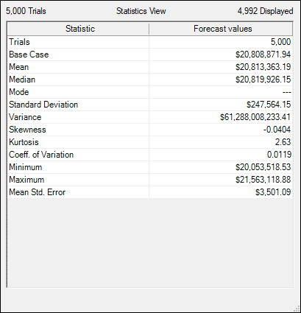
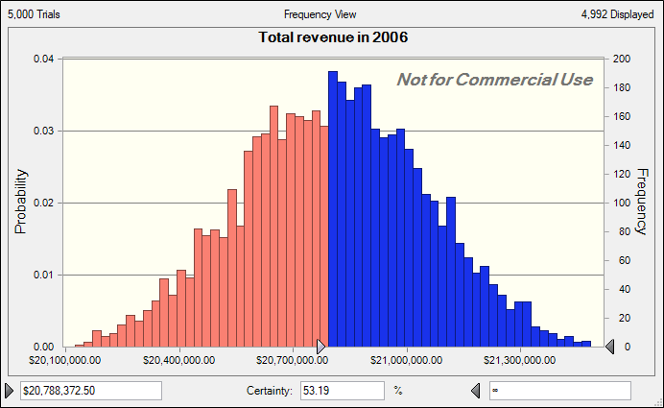
 |  | Growth Rate
Department | 2005 Revenues | Minimum | Maximum | 2006 revenues | Minimum | Maximum
Electronics | $6,342,213.00 | 2% | 10% | $6,722,745.78 | $6,469,057.26 | $6,976,434.30
Garden Supplies | $1,203,231.00 | -4% | 5% | $1,209,247.16 | $1,155,101.76 | $1,263,392.55
Jewelery | $4,367,342.00 | -2% | 6% | $4,454,688.84 | $4,279,995.16 | $4,629,382.52
Sporting Goods | $3,543,532.00 | -1% | 8% | $3,667,555.62 | $3,508,096.68 | $3,827,014.56
Toys | $4,342,132.00 | 4% | 15% | $4,754,634.54 | $4,515,817.28 | $4,993,451.80

Total revenues | $19,798,450.00 |  |  | $20,808,871.94

5% growth in total revenues fro 2005 | $20,788,372.50

a) Average value of Total revenue generated in 2006 with 95% confidence level is $20,819,926.15 |  |  |  |  |  |  | b) Probability that the revenue in 2006 shows 5% of total growth in 2006 is 53.19%

15
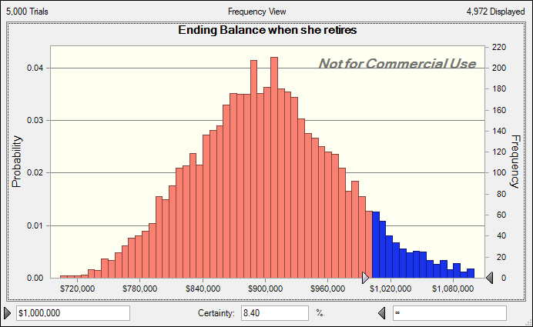
Investment Return in normally distributed with
Mean= | 12.50% | Standard deviation= | 2%

Age | Beginning Balance | Yearly Contibution | Investment return | Interest | Ending Balance
30 | $0 | $3,000 | 12.50% | $0 | $3,000
31 | $3,000 | $3,000 | 12.50% | $375 | $6,375
32 | $6,375 | $3,000 | 12.50% | $797 | $10,172
33 | $10,172 | $3,000 | 12.50% | $1,271 | $14,443
34 | $14,443 | $3,000 | 12.50% | $1,805 | $19,249
35 | $19,249 | $3,000 | 12.50% | $2,406 | $24,655
36 | $24,655 | $3,000 | 12.50% | $3,082 | $30,737
37 | $30,737 | $3,000 | 12.50% | $3,842 | $37,579
38 | $37,579 | $3,000 | 12.50% | $4,697 | $45,276 | a) She can expect to have amount between $682,905-$1,267,946 in her bank account by the time she is 60
39 | $45,276 | $3,000 | 12.50% | $5,660 | $53,936 | b) The average value the ending balance she will have in her account with 95% confindence interval is $899,821
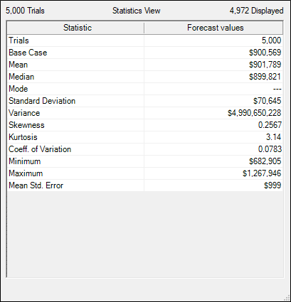
40 | $53,936 | $3,000 | 12.50% | $6,742 | $63,678
41 | $63,678 | $3,000 | 12.50% | $7,960 | $74,637
42 | $74,637 | $3,000 | 12.50% | $9,330 | $86,967
43 | $86,967 | $3,000 | 12.50% | $10,871 | $100,838
44 | $100,838 | $3,000 | 12.50% | $12,605 | $116,443
45 | $116,443 | $3,000 | 12.50% | $14,555 | $133,998
46 | $133,998 | $3,000 | 12.50% | $16,750 | $153,748
47 | $153,748 | $3,000 | 12.50% | $19,218 | $175,966
48 | $175,966 | $3,000 | 12.50% | $21,996 | $200,962
49 | $200,962 | $3,000 | 12.50% | $25,120 | $229,082
50 | $229,082 | $3,000 | 12.50% | $28,635 | $260,718
51 | $260,718 | $3,000 | 12.50% | $32,590 | $296,307
52 | $296,307 | $3,000 | 12.50% | $37,038 | $336,346
53 | $336,346 | $3,000 | 12.50% | $42,043 | $381,389
54 | $381,389 | $3,000 | 12.50% | $47,674 | $432,062
55 | $432,062 | $3,000 | 12.50% | $54,008 | $489,070
56 | $489,070 | $3,000 | 12.50% | $61,134 | $553,204
57 | $553,204 | $3,000 | 12.50% | $69,151 | $625,355
58 | $625,355 | $3,000 | 12.50% | $78,169 | $706,524
59 | $706,524 | $3,000 | 12.50% | $88,315 | $797,839
60 | $797,839 | $3,000 | 12.50% | $99,730 | $900,569

 |  |  |  |  |  | c) The probability that she will have 1 million in her account by the time she is 60 is 8.40%

15 e
Investment Return in normally distributed with
Mean= | 12.50% | Standard deviation= | 2%

Age | Beginning Balance | Yearly Contibution | Investment return | Interest | Ending Balance
30 | $0 | $3,000 | 12.50% | $0 | $3,000
31 | $3,000 | $3,000 | 12.50% | $375 | $6,375
32 | $6,375 | $3,000 | 12.50% | $797 | $10,172
33 | $10,172 | $3,000 | 12.50% | $1,271 | $14,443
34 | $14,443 | $3,000 | 12.50% | $1,805 | $19,249
35 | $19,249 | $3,000 | 12.50% | $2,406 | $24,655
36 | $24,655 | $3,000 | 12.50% | $3,082 | $30,737 | e) If she terminates paying yearly contribution after 8 years she might have amount between $437,739-$842,174 when she turns 60.
37 | $30,737 | $3,000 | 12.50% | $3,842 | $37,579
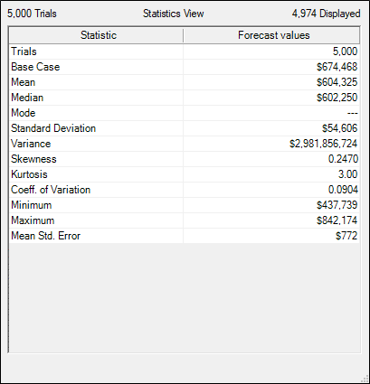
38 | $37,579 | $3,000 | 12.50% | $4,697 | $45,276
39 | $45,276 | $0 | 12.50% | $5,660 | $50,936
40 | $50,936 | $0 | 12.50% | $6,367 | $57,303
41 | $57,303 | $0 | 12.50% | $7,163 | $64,466
42 | $64,466 | $0 | 12.50% | $8,058 | $72,524
43 | $72,524 | $0 | 12.50% | $9,065 | $81,589
44 | $81,589 | $0 | 12.50% | $10,199 | $91,788
45 | $91,788 | $0 | 12.50% | $11,473 | $103,261
46 | $103,261 | $0 | 12.50% | $12,908 | $116,169
47 | $116,169 | $0 | 12.50% | $14,521 | $130,690
48 | $130,690 | $0 | 12.50% | $16,336 | $147,026
49 | $147,026 | $0 | 12.50% | $18,378 | $165,405
50 | $165,405 | $0 | 12.50% | $20,676 | $186,080
51 | $186,080 | $0 | 12.50% | $23,260 | $209,340
52 | $209,340 | $0 | 12.50% | $26,168 | $235,508
53 | $235,508 | $0 | 12.50% | $29,438 | $264,946
54 | $264,946 | $0 | 12.50% | $33,118 | $298,064
55 | $298,064 | $0 | 12.50% | $37,258 | $335,322
56 | $335,322 | $0 | 12.50% | $41,915 | $377,238
57 | $377,238 | $0 | 12.50% | $47,155 | $424,393
58 | $424,393 | $0 | 12.50% | $53,049 | $477,442
59 | $477,442 | $0 | 12.50% | $59,680 | $537,122
60 | $537,122 | $0 | 12.50% | $67,140 | $604,262

15 f and g
Investment Return in normally distributed with
Mean= | 12.50% | Standard deviation= | 2%

Age | Beginning Balance | Yearly Contibution | Investment return | Interest | Ending Balance
30 | $0 | $0 | 12.50% | $0 | $0
31 | $0 | $0 | 13.00% | $0 | $0
32 | $0 | $0 | 13.50% | $0 | $0
33 | $0 | $0 | 12.00% | $0 | $0 | f) If she starts paying yearly contribution after 8 years she might have amount between $234,950-$371,644 when she turns 60.
34 | $0 | $0 | 12.45% | $0 | $0
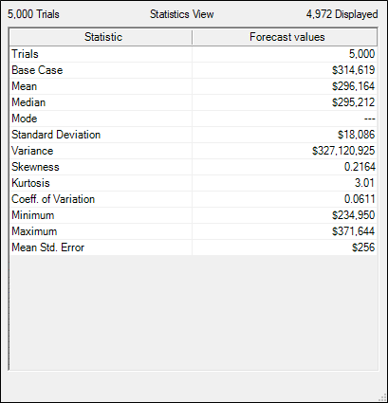
35 | $0 | $0 | 14.00% | $0 | $0
36 | $0 | $0 | 12.80% | $0 | $0
37 | $0 | $0 | 13.65% | $0 | $0
38 | $0 | $0 | 13.50% | $0 | $0
39 | $0 | $3,000 | 12.00% | $0 | $3,000
40 | $3,000 | $3,000 | 12.45% | $374 | $6,374
41 | $6,374 | $3,000 | 14.00% | $892 | $10,266
42 | $10,266 | $3,000 | 12.80% | $1,314 | $14,580
43 | $14,580 | $3,000 | 12.50% | $1,822 | $19,402
44 | $19,402 | $3,000 | 12.50% | $2,425 | $24,828
45 | $24,828 | $3,000 | 13.00% | $3,228 | $31,055
46 | $31,055 | $3,000 | 12.80% | $3,975 | $38,030
47 | $38,030 | $3,000 | 13.65% | $5,191 | $46,221
48 | $46,221 | $3,000 | 13.50% | $6,240 | $55,461
49 | $55,461 | $3,000 | 12.50% | $6,933 | $65,394
50 | $65,394 | $3,000 | 12.50% | $8,174 | $76,568
51 | $76,568 | $3,000 | 12.80% | $9,801 | $89,369
52 | $89,369 | $3,000 | 13.65% | $12,199 | $104,568
53 | $104,568 | $3,000 | 13.50% | $14,117 | $121,684
54 | $121,684 | $3,000 | 12.50% | $15,211 | $139,895
55 | $139,895 | $3,000 | 12.50% | $17,487 | $160,382
56 | $160,382 | $3,000 | 14.00% | $22,453 | $185,835
57 | $185,835 | $3,000 | 13.00% | $24,159 | $212,994
58 | $212,994 | $3,000 | 13.50% | $28,754 | $244,748 | g) comparing the data from e and f we can conclude that however it is bettter to start investing early and being continous with it between starting late and terminating contribution after few years it is better to start early and terminate the annual contribution after few years because the interest gets added in the initial investement every year
59 | $244,748 | $3,000 | 12.00% | $29,370 | $277,118
60 | $277,118 | $3,000 | 12.45% | $34,501 | $314,619

